OTHER INFORMATION
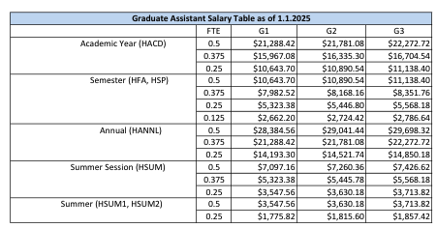
Graduate Assistant Salary |  | as of 01/01/2025

 | FTE | G1 | G2 | G3
Academic Year | 0.5 | $21,288 | $21,781 | $22,273
(HACD) | 0.375 | $15,967 | $16,335 | $16,705
 | 0.25 | $10,644 | $10,891 | $11,138
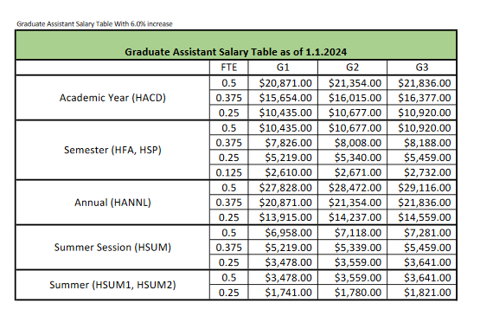
Semester | 0.5 | $10,644 | $10,891 | $11,138
(HFA, HSP) | 0.375 | $7,983 | $8,168 | $8,352
 | 0.25 | $5,323 | $5,447 | $5,568
 | 0.125 | $2,662 | $2,724 | $2,787
Academic Year | 0.5 | $28,385 | $29,041 | $29,698
(HACD) | 0.375 | $21,288 | $21,781 | $22,273
 | 0.25 | $14,193 | $14,522 | $14,850
Summer Session | 0.5 | $7,097 | $7,260 | $7,427
(HSUM) | 0.375 | $5,323 | $5,446 | $5,568
 | 0.25 | $3,548 | $3,630 | $3,714
Summer Session | 0.5 | $3,548 | $3,630 | $3,714
(HSUM1 or HSUM2) | 0.25 | $1,776 | $1,816 | $1,857

