OTHER INFORMATION
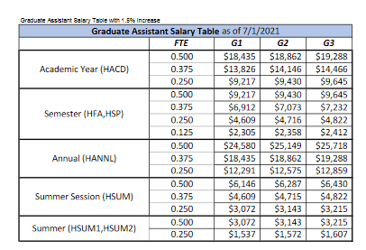
Graduate Assistant Salary |  | as of 07/0/2021

 | FTE | G1 | G2 | G3
Academic Year | 0.5 | $18,435 | $18,862 | $19,288
(HACD) | 0.375 | $13,826 | $14,146 | $14,466
 | 0.25 | $9,217 | $9,430 | $9,645
Semester | 0.5 | $9,217 | $9,430 | $9,645
(HFA, HSP) | 0.375 | $6,912 | $7,073 | $7,232
 | 0.25 | $4,609 | $4,716 | $4,822
 | 0.125 | $2,305 | $2,358 | $2,412
Academic Year | 0.5 | $24,580 | $25,149 | $25,718
(HACD) | 0.375 | $18,435 | $18,862 | $19,288
 | 0.25 | $12,291 | $12,575 | $12,859
Summer Session | 0.5 | $6,146 | $6,287 | $6,430
(HSUM) | 0.375 | $4,609 | $4,715 | $4,822
 | 0.25 | $3,072 | $3,143 | $3,215
Summer Session | 0.5 | $3,072 | $3,143 | $3,215
(HSUM1 or HSUM2) | 0.25 | $1,537 | $1,572 | $1,607

